SCRIPT
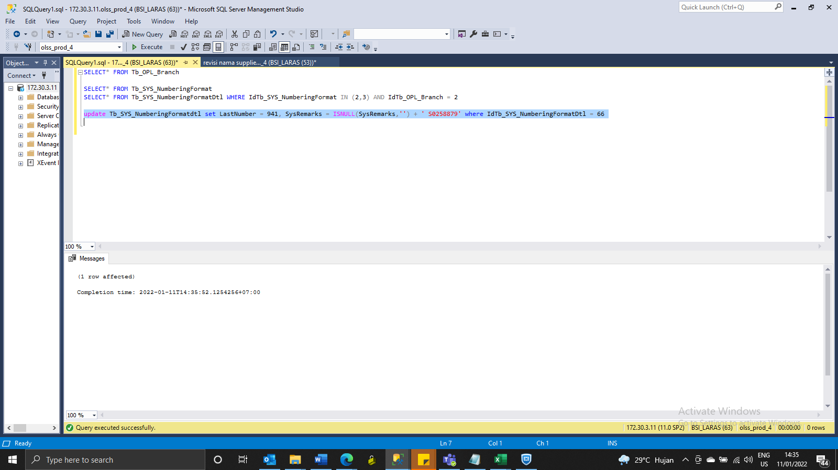
update Tb_SYS_NumberingFormatdtl set LastNumber = 941, SysRemarks = ISNULL(SysRemarks,'') + ' S0258879' where IdTb_SYS_NumberingFormatDtl = 66

